1. Title Page
[InstaCart Bucket Analysis ]

Project Name: InstaCart Bucket Analysis
Date: 21/06/2024
Analyst Name: Stephanie Ugwuanya

Contents:
Population Flow
Consistency checks
Wrangling steps
Column derivations
Visualizations
Recommendations

2. Population Flow
 | Title page

Population flow

Exclusion flag
Condition: max_order <
Obervations to be removed:
Final total count of order_products_all:

Orders_products_combined
Orders_products_merged
Orders_products_all
Total: 32404161
Due to RAM issues, a 40% sample was taken
from orders_products_merged and customers
databases
Total: 32434489
Total: 2771091
Orders_products_merged 40% sample - 12961664
Customers 40% sample - 82484

df_final
Mergd together df_ords_prods_cust_final, df_dep_clean_final
Total : 21023676
Due to RAM Issues, a sample of 7000 random lines were
taken from df_ords_prods_cust_final

This created the final dataframe df.final

1.) The grey boxes in the first row of the population flow represent the original data sets as they were when you downloaded them. In the Total fields you need to add the count of the rows when you imported the data set into Jupyter.
2.) The second row of boxes (coloured) represents the data sets after you manipulated them, e.g., removed missing values and duplicates. In the Total fields you need to add the count of the rows after conducting these operations. This offers a visual oveview of how the data flows throughout the data consistency checks.
3.) The third row, where also the arrows are coloured, represents the merges you performed between the datasets. In the Total fields you need to add the count of the rows in the merged datasets, so that you end up with the final dataset (in the red box). Keep in mind the final dataset should be without exclusions (based on the exclusion flag).

3. Consistency checks
 |  |  |  | Title page
Consistency checks

Dataset | Missing values | Missing values treatment | Duplicates
orders | NaN 206209 in days_since_last_order column | Created a flag - missing values so we know that this is a customers first order
products | 16 missing values in product_name column | Removed 16 rows of missing data
orders_products_prior
customers
df_ords_prods_cust_merge_keep | Nan 367 in prices column | Changed them to zero to keep the rest of the information in the column

4. Wrangling steps
 |  |  |  | Title page
Wrangling steps

Columns dropped | Columns renamed | Columns' type changed | Comment/Reason
eval_set in production database |  |  | We did not need this column for the analysis
 | orders database 'order_dow' changed to 'orders_day_of_week' |  | The column name 'order_dow' does not clearly explain what the data is showing. 'Orders_day_of_ week is clearer

 |  | orders database - changed order_id to string | order_id relates to orders made and is not numerical
 |  | orders database - changed user_is to string | user_id relates to users/cutomers an is not numercial
 |  | df_merged_large - changed first_order to category | Changed to save memory
 | orders database 'order_number' changed to 'order_sequence_number |  | The column name was not clear
 |  | Orders_products_combined database - product_id from int64 to int32 | Changed to save memory
 |  | Orders_products_combined database - reordered from int64 to int8 | Changed to save memory
 |  | Orders_products_combined database - add_to_cart_order from int64 to int32 | Changed to save memory
 |  | Orders_products_combined database - order_id from int64 to int32 | Changed to save memory
 |  | Products database - product_id from int64 to int32 | Changed to save memory
 |  | Products database - aisle_id from int64 to int32 | Changed to save memory
 |  | Products database - department_id from int64 to int32 | Changed to save memory
 |  | Products database - prices from float64 to float16 | Changed to save memory
 |  | Customer database - gender from object to category | Changed to save memory
 |  | Customer database - state from object to category | Changed to save memory
 |  | Customer database - marital_status from object to category | Changed to save memory
 |  | orders_products_merged database - busiest_day from object to category | Changed to save memory
 |  | orders_products_merged database - Busiest_Days(plural) from object to category | Changed to save memory
 |  | orders_products_merged database - loyalty_flag from object to category | Changed to save memory
 |  | orders_products_merged database - spending_flag from object to category | Changed to save memory
 |  | orders_products_merged database - frequency_flag from object to category | Changed to save memory
 |  | orders_products_merged database - order_id from int32 to int16 | Changed to save memory
 |  | orders_products_merged database - user_id from int64 to int8 | Changed to save memory
 |  | orders_products_merged database - order_number from int64 to int8 | Changed to save memory
 |  | orders_products_merged database - orders_day_of_week from int64 to int8 | Changed to save memory
 |  | orders_products_merged database - order_hour_of_day from int64 to int8 | Changed to save memory
 |  | orders_products_merged database - product_id from int32 to int16 | Changed to save memory
 |  | orders_products_merged database -add_to_cart_orderr from int32 to int8 | Changed to save memory
first_name and surname dropped from df_ord_prods_cust_merge |  |  | Columns dropped as thet are PII data

5. Column derivations
 |  |  |  |  |  | Title page

Column derivations and aggregations

In this tab you should add tables below that the frequences of flags/label variables that you produced after deriving them. NB: don't do this for continuous variables, only for flags.
Dataset | New column | Column/s it was derived from | Conditions
df_ords | first_order | days_since_prior_order | df_ords['first_order'] = np.where(np.isnan(df_ords['days_since_prior_order'].values), 'First Order', 'Repeat Customer')
ords_prods_merge | price_range_loc | prices | High-range product > 15 Mid-range product <= 15 Low-range product <= 5
df_ords_prods_merge | busiest_day | orders_day_of_week | if value == 0: result.append("Busiest day") elif value == 4: result.append("Least busy") else: result.append("Regularly busy") | Flag | Value Counts
df_ords_prods_merge | Busiest_Days(plural) | orders_day_of_week | if value == 0 or value == 1: result_1.append("Busiest days") elif value == 3 or value == 4: result_1.append("Slowest days") else: result_1.append("Regular busy") | first_order | Repeat Customer 30328763 First Order 2076096
df_ords_prods_merge | busiest_period_of_day | order_hour_of_day | if value in [10,11,14,15,13,12,16,9]: result_3.append ('Most orders') elif value in [23,6,0,1,5,2,4,3]: result_3.append ('Fewest orders') else: result_3.append('Average orders') | price_range_loc | Mid-range product 21860860 Low-range product 10126321 High-range product 417678
df_ords_prods_merge | loyalty_flag | max_order | df_ords_prods_merge.loc[df_ords_prods_merge['max_order'] > 40, 'loyalty_flag'] = 'Loyal customer' df_ords_prods_merge.loc[(df_ords_prods_merge['max_order'] <= 40) & (df_ords_prods_merge['max_order'] > 10), 'loyalty_flag'] = 'Regular customer' df_ords_prods_merge.loc[df_ords_prods_merge['max_order'] <= 10, 'loyalty_flag'] = 'New customer' | busiest_day | busiest_day Regularly busy 22416875 Busiest day 6204182
df_ords_prods_merge | spending flag | mean_price | df_ords_prods_merge.loc[df_ords_prods_merge['mean_price'] < 10, 'spending_flag'] = 'Low Spender' df_ords_prods_merge.loc[df_ords_prods_merge['mean_price'] >= 10, 'spending_flag'] = 'Higher Spender' | Busiest_Days(plural) | Regular busy 12916111 Busiest days 11864412 Slowest days 7624336
df_ords_prods_merge | frequency_flag | customer_frequency | df_ords_prods_merge.loc[df_ords_prods_merge['customer_frequency'] > 20, 'frequency_flag'] = 'Non-frequent customer' df_ords_prods_merge.loc[(df_ords_prods_merge['customer_frequency'] >10) & (df_ords_prods_merge['customer_frequency'] <= 20), 'frequency_flag'] = 'Regular customer' df_ords_prods_merge.loc[df_ords_prods_merge['customer_frequency'] <= 10, 'frequency_flag'] = 'Frequent customer' | busiest_period_of_day | busiest_period_of_day Most orders 21118071 Average orders 9997651 Fewest orders 1289137
df_ords_prods_cust_merge | region | state | df_ords_prods_cust_merge.loc[df_ords_prods_cust_merge['state'].isin(['Maine', 'New Hampshire', 'Vermont', 'Massachusetts','Rhode Island', 'Connecticut', 'New York', 'Pennsylvania', 'New Jersey']), 'region'] = 'northeast' df_ords_prods_cust_merge.loc[df_ords_prods_cust_merge['state'].isin(['Wisconsin', 'Michigan','Illinois', 'Indiana', 'Ohio', 'North Dakota', 'South Dakota', 'Nebraska', 'Kansas', 'Minnesota', 'Iowa', 'Missouri']), 'region'] = 'midwest' df_ords_prods_cust_merge.loc[df_ords_prods_cust_merge['state'].isin(['Delaware', 'Maryland', 'District of Columbia', 'Virginia', 'West Virginia', 'North Carolina', 'South Carolina', 'Georgia', 'Florida', 'Kentucky', 'Tennessee', 'Mississippi', 'Alabama', 'Oklahoma', 'Texas', 'Arkansas', 'Louisiana']), 'region'] = 'south' df_ords_prods_cust_merge.loc[df_ords_prods_cust_merge['state'].isin(['Idaho', 'Montana', 'Wyoming', 'Nevada', 'Utah', 'Colorado', 'Arizona', 'New Mexico', 'Alaska', 'Washington', 'Oregon', 'California', 'Hawaii']), 'region'] = 'west' | loyalty_flag | Regular customer 15876363 Loyal customer 10284010 New customer 6243788
df_ords_prods_cust_merge | customer_activity_flag | max_order | df_ords_prods_cust_merge.loc[df_ords_prods_cust_merge['max_order'] < 5, 'customer_activity_flag'] = 'exclude' df_ords_prods_cust_merge.loc[df_ords_prods_cust_merge['max_order'] >= 5, 'customer_activity_flag'] = 'keep' | spending flag | Low Spender 31827629 Higher Spender 576532
df_ords_prods_cust_merge_keep | age_group | age | df_ords_prods_cust_merge_keep.loc[df_ords_prods_cust_merge_keep['age'] <= 25, 'age_group'] = 'Young Adult' df_ords_prods_cust_merge_keep.loc[(df_ords_prods_cust_merge_keep['age'] > 25) & (df_ords_prods_cust_merge['age'] <= 44), 'age_group'] = 'Adult' df_ords_prods_cust_merge_keep.loc[(df_ords_prods_cust_merge_keep['age'] > 44) & (df_ords_prods_cust_merge['age'] <= 64), 'age_group'] = 'Older Adult' df_ords_prods_cust_merge_keep.loc[df_ords_prods_cust_merge_keep['age'] > 64, 'age_group'] = 'Senior' | frequency_flag | Frequent customer 1842816 Regular customer 618567 Non-frequent customer 309708
df_ords_prods_cust_merge_keep | dependants_flag | n_dependants | df_ords_prods_cust_merge_keep.loc[df_ords_prods_cust_merge_keep['n_dependants'] == 0, 'dependants_flag'] = 'No Dependants' df_ords_prods_cust_merge_keep.loc[df_ords_prods_cust_merge_keep['n_dependants'] > 0, 'dependants_flag'] = 'Dependants' | region | south 855333 west 714256 midwest 690633 northeast 510869
df_ords_prods_cust_merge_keep | income_class | income | df_ords_prods_cust_merge_keep.loc[df_ords_prods_cust_merge_keep['income'] <= 30000,'income_class'] = 'Lower Class Income' df_ords_prods_cust_merge_keep.loc[(df_ords_prods_cust_merge_keep['income'] >= 30001) & (df_ords_prods_cust_merge['income'] <= 58020), 'income_class'] = 'Lower-Middle Class Income df_ords_prods_cust_merge_keep.loc[(df_ords_prods_cust_merge_keep['income'] >= 58021.00) & (df_ords_prods_cust_merge['income'] <= 74580), 'income_class'] = 'Median Class Income' df_ords_prods_cust_merge_keep.loc[df_ords_prods_cust_merge_keep['income'] >= 74581,'income_class'] = 'Upper Class Income' | customer_activity_flag | keep 2648423 exclude 122668
df_ords_prods_cust_merge_keep | order_day_type | orders_day_of_week | df_ords_prods_cust_merge_keep.loc[df_ords_prods_cust_merge_keep['orders_day_of_week'].isin([0, 1]), 'order_day_type'] = 'Non-working day - weekend' df_ords_prods_cust_merge_keep.loc[df_ords_prods_cust_merge_keep['orders_day_of_week'].isin([2, 3, 4, 5, 6]), 'order_day_type'] = 'Working days -weekdays' | age_group | Older Adult 998600 Adult 720872 Senior 686557 Young Adult 242394
 |  |  |  | dependants_flag | dependants_flag Dependants 1881556 No Dependants 766867
 |  |  |  | income_class | Upper Class Income 1835587 Lower-Middle Class Income 473226 Median Class Income 339610
 |  |  |  | order_day_type | Working days -weekdays 1680920 Non-working day - weekend 967503

6. Visualizations
Visualisations

In this tab you should include all the visualtions from Exercises 4.9 and 4.10, alongside the questions from the project brief that they answer. Include any commentary on the relationship between different variables.

Question 1 - The sales team needs to know what the busiest days of the week and hours of the day are (i.e., the days and times with the most orders) in order to schedule ads at times when there are fewer orders.

Total Orders- Order Days of the Week

I have deideded to look at two of the three customer profiles - customer income groups and customer with dependents vs no dependent. By looking at specific customer profiles we can see if there is any differences in ordering patterns. Do certain customers order more on certain days than others and is this representitive across customer groups?

Aggregate Orders by Order Day of the Week
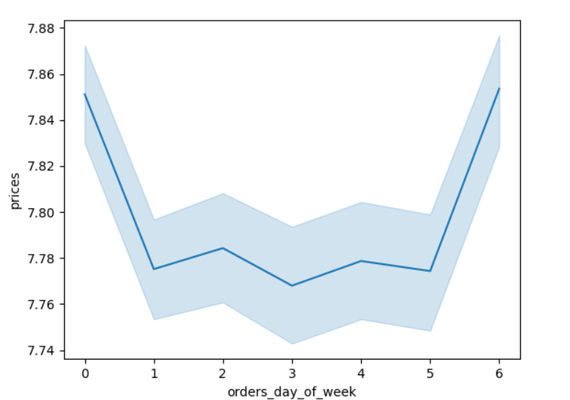
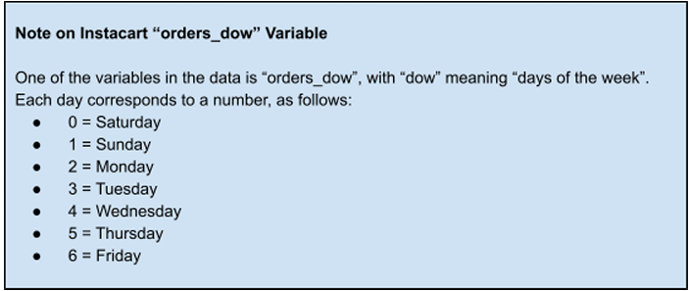

This line graph shows the overall order totals across the week. We can can see that generally there are more orders on Friday and Saturday (0 an 1) ,

Aggregate Spend- Order Days of the week - Income Group | Aggregate Spend- Order Days of the week - Dependents vs No Dependents

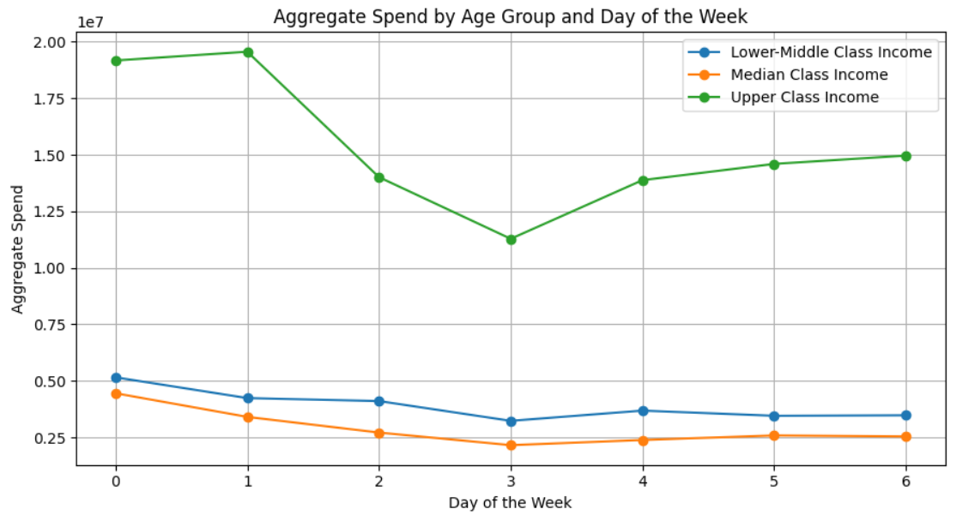
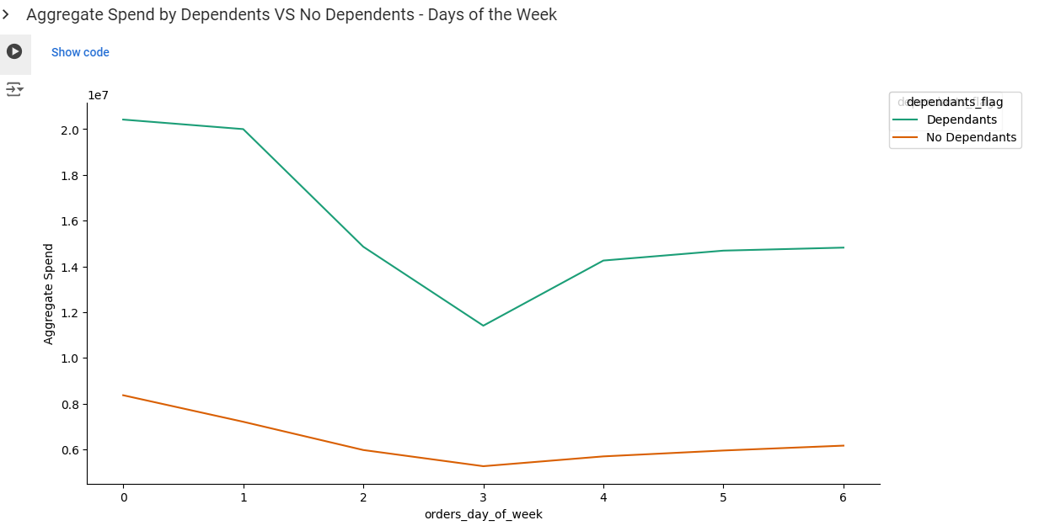

Figure 2 - Shows total orders by Income Group

We can see that among Median Class and Lower Median Class income customers there is not as much fluctuation when looking at the days of the week that generate the highest aggregate spend. However, we can see that Saturday is the most popular day and generates the higher spend among these groups.
Among the Upper Class Income earners we can see much more fluctation. The most popular day to make orders is Sunday with Saturday following. Another popular day is Friday.
The least popular day among the Upper Class earners to make an order is Tuesday.
We can see a similar pattern in terms of popular order days among customer with dependents/no dependents.
Friday and Saturday are most popular days while Tuesday is not a popular order day among both customers with dependents and those without .

You will also notice that we have a larger proportion of activity from the Upper class income group.
You can see on the pie chart below, the Upper Class income group making up 69.3% of total customer.Thererfore this group is very influential in term of genreating a high aggregate spend.
You can see in the graph below, there is a much higher number of customers with Dependants VS No Dependants.

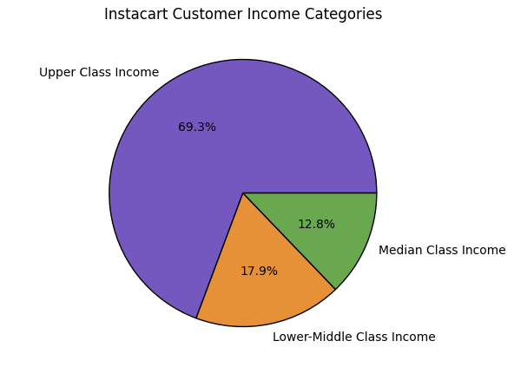
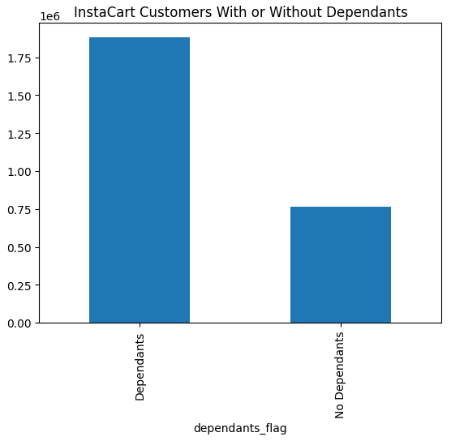

Recommendation Question 1 - Slowest Days of the week for orders: Ads can be scheduled on Tuesday as this is when the lowest aggregate spend is genereated by the largest customer base - the Upper Class income group and those with Dependents . We should also refrain from scheduling ads on Friday Saturday or Sunday as a higher aggregate spend is generated across both customer groups.

Aggregate Spend -Total Order Hours of the day

In this section I have explored the relationship between aggregate spend and hour of the day. We can see in the analysis below the aggregate spend generated varies greatly depending on the time of day. I have again decided to look at customer profiles - Income Class and Dependents vs No Dependents customers.

Aggregate Spend by Order hour of the week

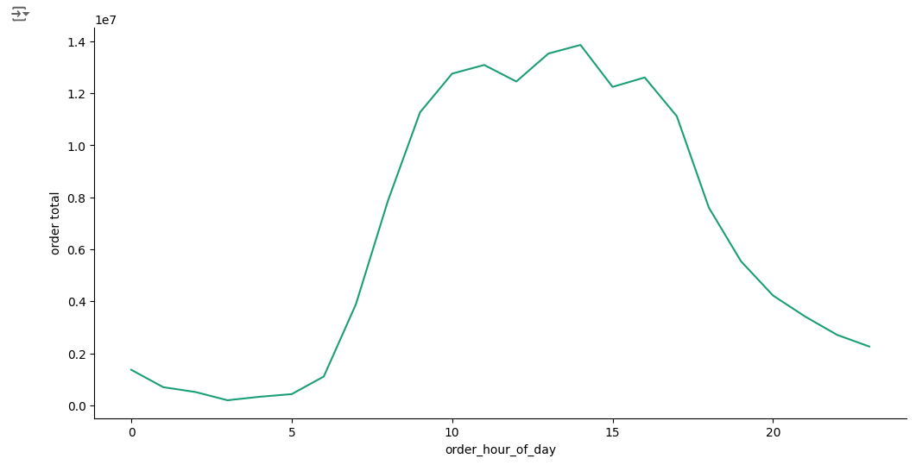

This line graph shows the Aggregate Spend per hour of the day. We can see that more orders are generated in the middle of the day. These hours correlate to usual working hours in the US - 9am to 5pm.

Aggregate Spend by Order Hour - Income Class | Aggregate Spend by Order Hour - Dependents VS No Dependents

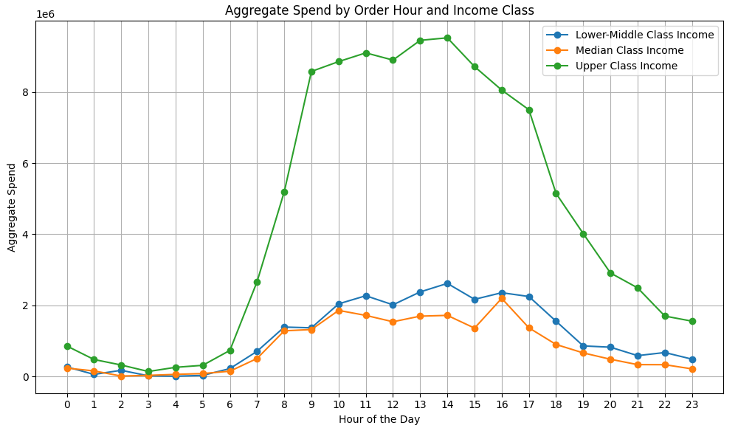

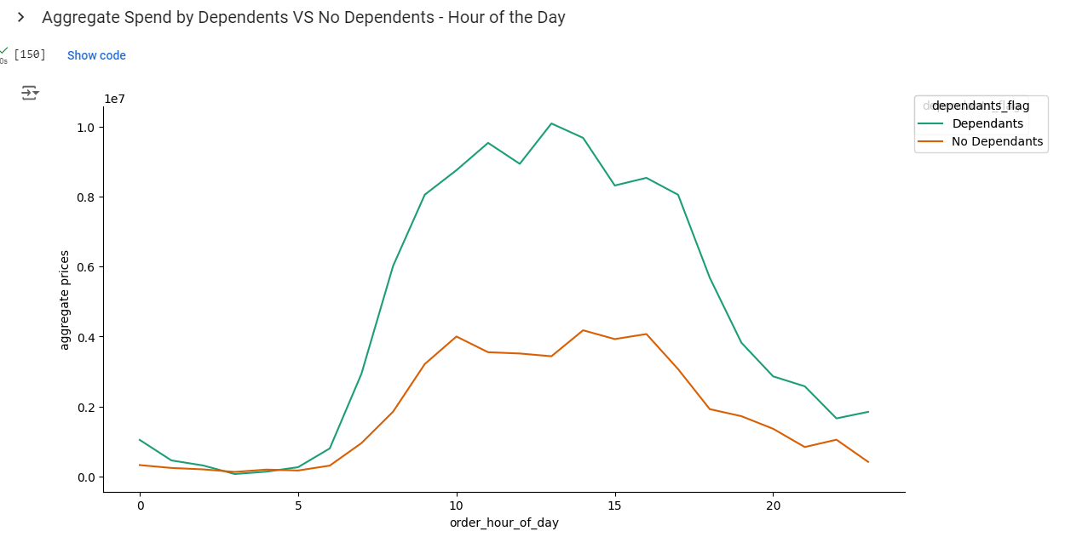

There is a similar pattern among customers with dependents vs those with no dependents. There is a higher aggregate spend during the work hours of 9am -5pm.
We can see among all income groups the hours of the day that generate the highest aggregate spend are between 9am - 5pm which are typical working hours in the US. The orders total begins to fall drastically among all income groups after 5pm.

Recommendation Question 1 - Slowest hours of the day: Ads can be scheduled before 9am and after 5pm as these hours do not generate a high aggregate spend among customer. This could help increase the orders during those times.

Question 2 - They also want to know whether there are particular times of the day when people spend the most money, as this might inform the type of products they advertise at these times.

Recommendation Question 2: We can use the same analysis as above to answer this question, the busiest times of the day are between 9-5. We will look more closely at the products that are popular among customer groups

Question 3 - Are there certain types of products that are more popular than others?

Aggregate Spend by Department and Age Group

In section I will be exploring the popularity of departments by looking at the aggrgate spend genreated. Are there certain departments that are more popular among certain customer profiles? I have decided to look at customer profiles - age groups and customers with dependents vs no depedents and focus on the aggregate spend generated.

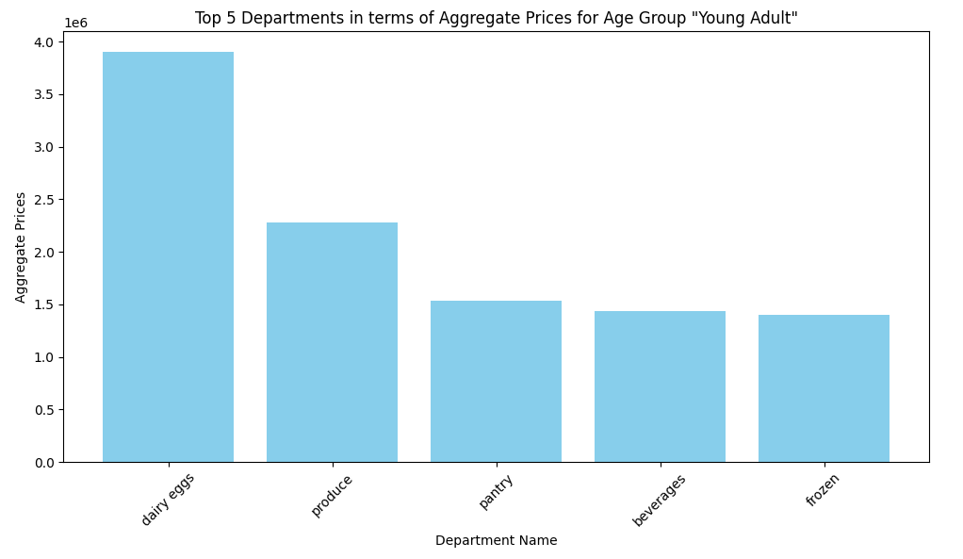
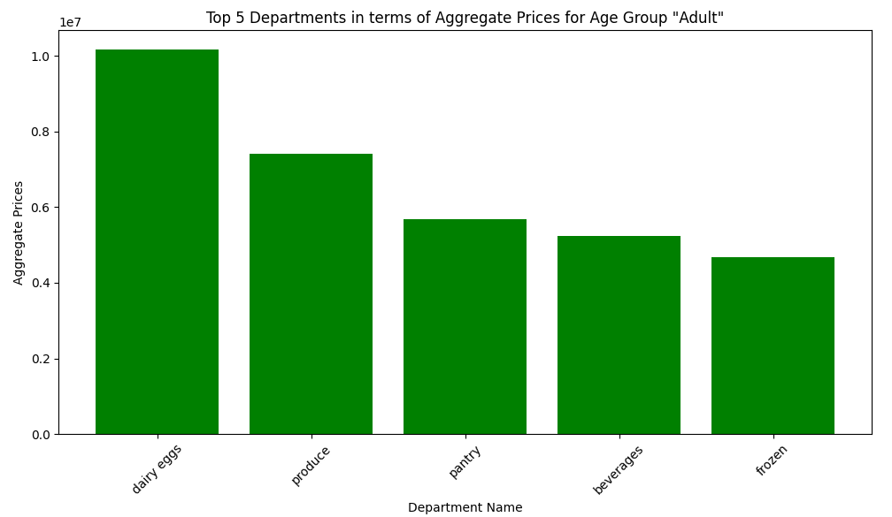

We can see identical catgegories are popular among the Young Adult and Adult age groups. With dairy eggs and produce generating the highest aggregate spend.

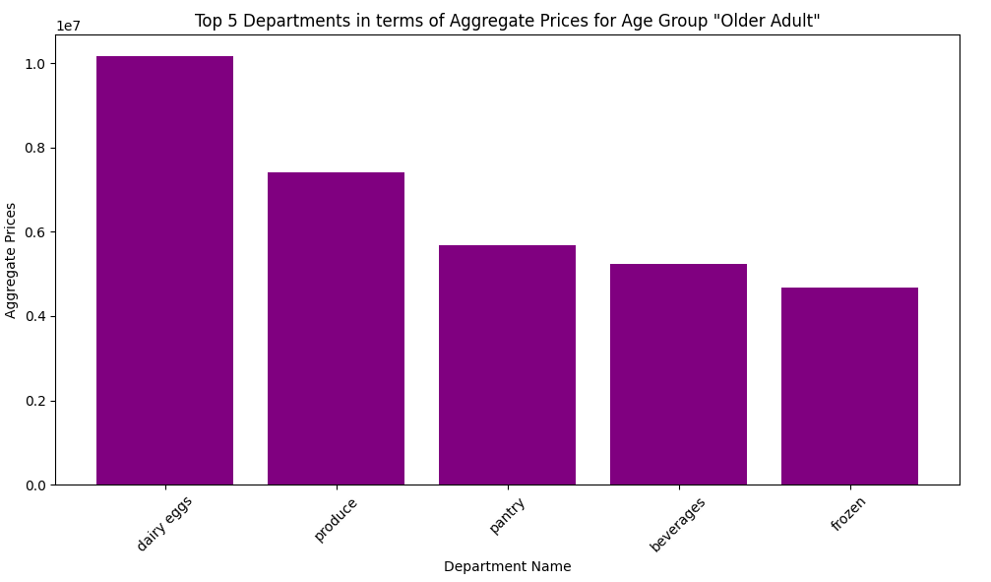
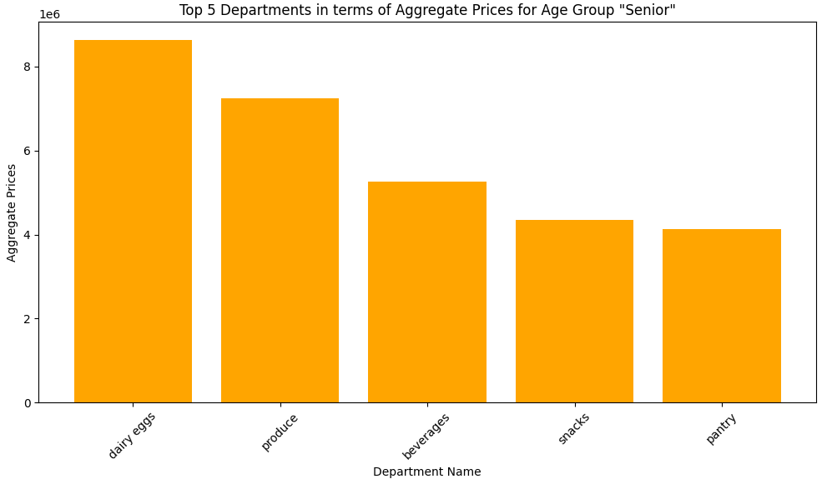

We can see among the Older Adults and Senior age groups Older Adults spend more in the pantry and frozen departments while seniors spend more on the beverages and snacks department.

Overall, the top three categories amoung the age groups are: dairy eggs, produce and pantry apart from the Senior age group where beverages are more popular that pantry.

Aggregate Spend by Department and Customers with Dependents VS No Dependents

In this section I will specifically be looking at customers with dependents vs those without dependents in terms of aggregate customer spend per department. I have decided to expand my list to the top 10 as I wanted to see if there were any other departments beyond the top 5 that were generating a high aggregate spend.

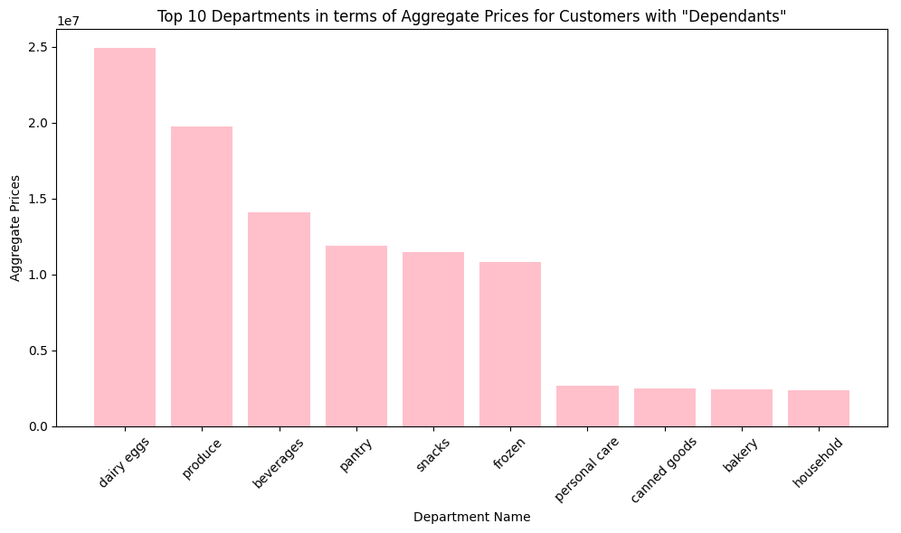
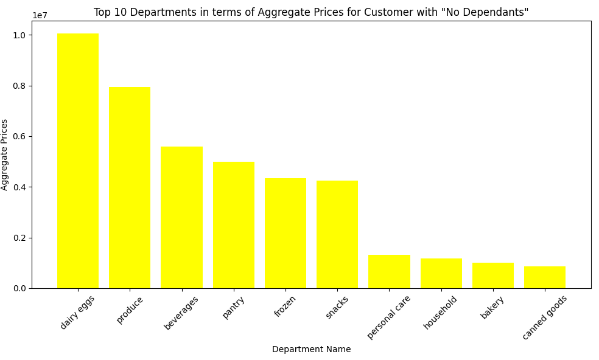

We can see that customers with dependents and those without spend on similar departments. Notably, those with dependant spend more on snacks and canned goods compared to other categories. Those with no dependant spend more on frozen goods compared to other categories and compared to those with dependents.

Question 4 - Instacart has a lot of products with different price tags. Marketing and sales want to use simpler price range groupings to help direct their efforts.

Price Tags by Department

I have decided to split prices into three categories high-range products, mid-range products and low range products. I have then further looked at the customer profiles age group and income class. Are products in certain price ranges more popular among specific customer groups?

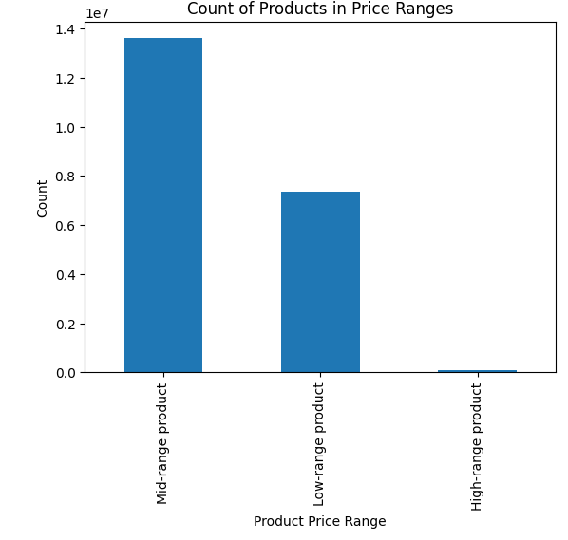

This graph above shows the overall count of products in each price range. We can see at InstaCart there a high number of products in the mid-product price range. Conversely, there is a very low count of high-range products.

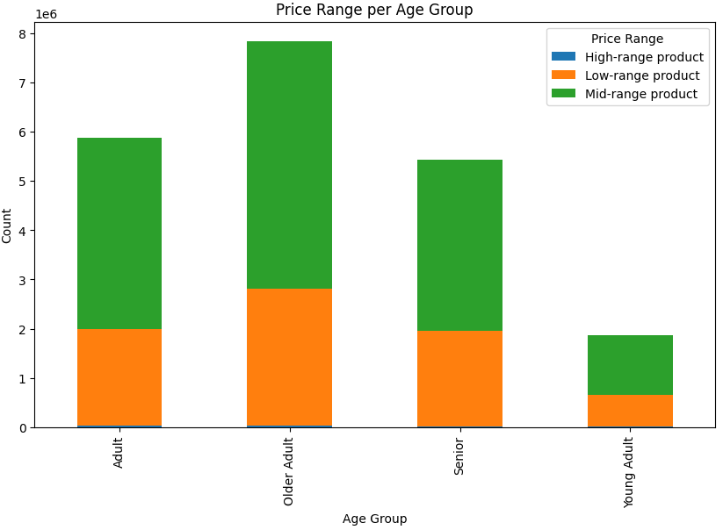
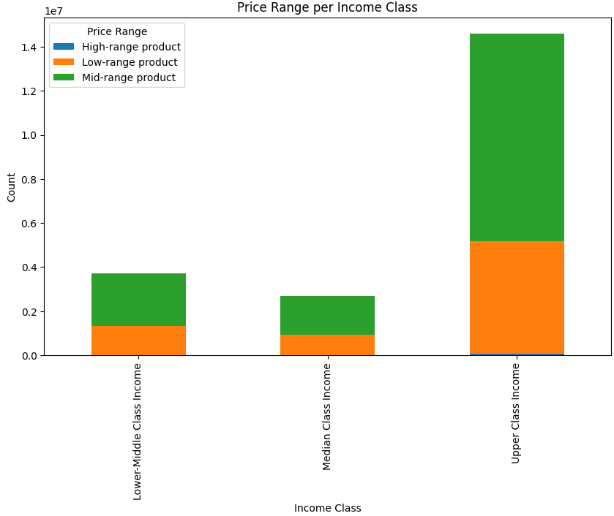

We can see among age groups and income classes there are more orders of products in the mid-range product group. Low range products are the next most popular orders and high range product orders are least popular . We can see this is the trend across both customer profiles.

Recommendation Question 4: Across both customer profiles the mid-range products were most popular. Therefore resources should be used to continue to support this popularity through targeted adverts and offers. It would be beneficial to target resources to the high-range products as boasting popularity among these products could have the biggest effect on profits.

7. Recommendations
Recommendations

Below is a list of the business questions and the answers found through this analysis.

Question 1 - The sales team needs to know what the busiest days of the week and hours of the day are (i.e., the days and times with the most orders) in order to schedule ads at times when there are fewer orders.
Recommendation Question 1 - Slowest Days of the week for orders: Ads can be scheduled on Tuesday as this is when the lowest aggregate spend is genereated by the largest customer base - the Upper Class income group and those with Dependents . We should also refrain from scheduling ads on Friday Saturday or Sunday as a higher aggregate spend is generated across both customer groups.
Recommendation Question 1 - Slowest Days of the week for orders: Ads can be scheduled on Tuesday as this is when the lowest aggregate spend is genereated by the largest customer base - the Upper Class income group and those with Dependents . We should also refrain from scheduling ads on Friday Saturday or Sunday as a higher aggregate spend is generated across both customer groups.

Question 2 - They also want to know whether there are particular times of the day when people spend the most money, as this might inform the type of products they advertise at these times.

Recommendation Question 2 - The busiest times of the day are between 9-5. We will look more closely at the products that are popular among customer groups

Question 3 - Are there certain types of products that are more popular than others?
Identical catgegories are popular among the Young Adult and Adult age groups. With dairy eggs and produce generating the highest aggregate spend.
Older Adults and Senior age groups Older Adults spend more in the pantry and frozen departments while seniors spend more on the beverages and snacks department.
Customers with dependents and those without spend on similar departments. Notably, those with dependant spend more on snacks and canned goods compared to other categories. Those with no dependant spend more on frozen goods compared to other categories and compared to those with dependents.

Recommendation Question 3
Notable Department Popularity among Customer Profiles
Young Aduls and Adults - dairy egss are popular
Older Adults - pantry and frozen
Senior - beverages and snacks
Dependentas - snack and canned food
No dependents - frozen goods
Aside from the most popular departments w.e should aim resources to encourge further spnding in these department across customer profiles by targeted ads and promotions.

Question 4 - Instacart has a lot of products with different price tags. Marketing and sales want to use simpler price range groupings to help direct their efforts.

Recommendation Question 4: Across both customer profiles the mid-range products were most popular. Therefore resources should be used to continue to support this popularity through targeted adverts and offers. It would be beneficial to target resources to the high-range products as boasting popularity among these products could have the biggest effect on profits.

